Transaction Register
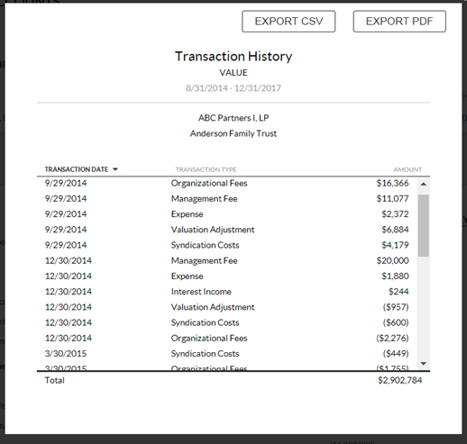
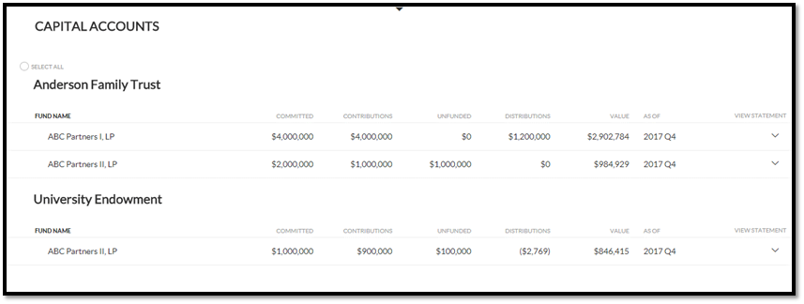
 | Financial Summary Headers
Standard Transactions* | Commited Capital | Contributions | Unfunded Commitment | Distributions | Value | This table shows you how those transactions are mapped in the system, please add any additional needed transactions & indicate how that transaction affects the header buckets, which will be shown on the LP portal (example below 'Capital Accounts'). All numbers are uploaded as positive numbers, unless intended to be a contra-transaction.
Commitment | 1 | 0 | 1 | 0 | 0
Transfer of Commitment | 1 | 0 | 1 | 0 | 0
Contribution | 0 | 1 | -1 | 0 | 1
Transfer of Contributions | 0 | 1 | -1 | 0 | 1
Distribution | 0 | 0 | 0 | 1 | -1
Transfer of P&L | 0 | 0 | 0 | 0 | 1
Interest Income | 0 | 0 | 0 | 0 | 1
Management Fee | 0 | 0 | 0 | 0 | -1
General Expense | 0 | 0 | 0 | 0 | -1
Organizational Fees | 0 | 0 | 0 | 0 | -1
Operational Fees | 0 | 0 | 0 | 0 | -1
Syndication Costs | 0 | 0 | 0 | 0 | -1
Realized Gain/(Loss) | 0 | 0 | 0 | 0 | 1
Unrealized Gain/(Loss) | 0 | 0 | 0 | 0 | 1
Allocation of Carried Interest | 0 | 0 | 0 | 0 | 1

*These transaction names will be displayed on client financial summary & capital account statement drilldowns:

Capital Account Statement
Blue highlight indicates editable field

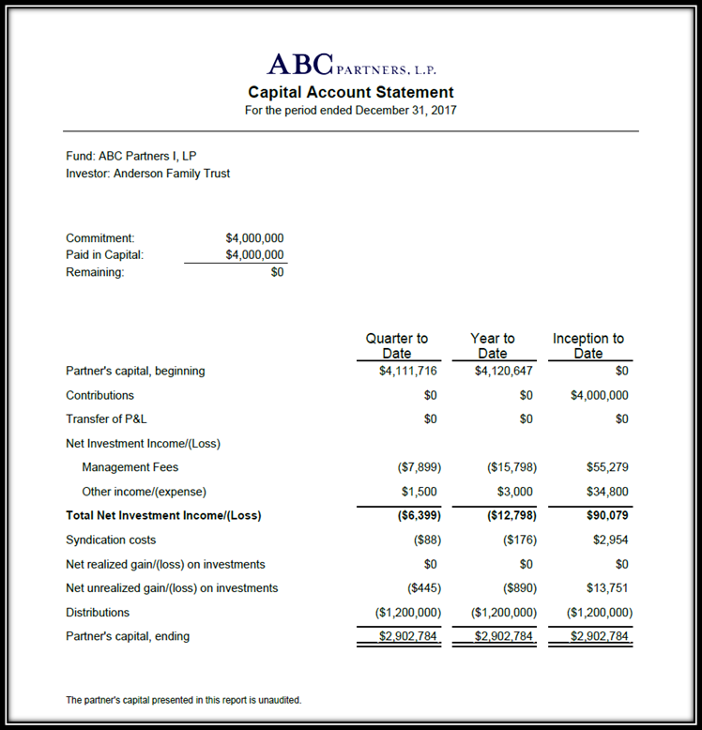
Report Header Layout |  | Please indicated preferred alignment of logo, report name, and date, and investor and fund

 | Logo | Center
 | Capital Account Statement | Center
 | For the period ended | Center

 | Fund: | Left
 | Investor: | Left

Report Summary Line Items, you may add or remove, bold, underline, indent, and/or indicate a subtotal |  | Please indicate which transactions should be included in each line item on the report. Transactions listed MUST match transactions listed on the Transaction Register page | Suppress if 0? (Y/N) | Rounding Bucket (select only one)
Commitment: |  | Commitment, Transfer of Commitment | N
Paid in Capital: |  | Contribution, Transfer of Contribution | N
Remaining |  | Commitment total - Called to date total | N
COLUMN HEADERS |  | Quarter to Date, Year to Date, Inception to Date
Report Body Line Items, you may add or remove |  | Mapping (Based on standard transactions)
Partner's capital, beginning |  | BEGINNING BALANCE | N
Contributions |  | Contributions, Transfer of Contributions | N
Transfer of P&L |  | Transfer of P&L | Y
Net investment income/(loss) |  | (Header Only) | N
 | Management fees | Management Fee | N
 | Other income/(expense) | Interest Income, General Expense, Organizational Fees, Operational fees | N | X
Total net investment income/(loss) |  | SUBTOTAL | N
Syndication costs |  | Syndication Costs | N
Net realized gain/(loss) on investments |  | Realized Gain/(Loss) | N
Net unrealized gain/(loss) on investments |  | Unrealized Gain/(Loss), Allocation of Carried Interest | N
Distributions |  | Distribution | N
Partner's capital, ending |  | TOTAL ENDING BALANCE | N

Footer text (optional):

Period Columns
Quarter to Date | Year to Date | Inception to Date
Visible | Visible | Visible

